Sheet1
Supply Cost Recovery Estimating Analytics

The objective of this supply cost recovery analytics project is to demonstrate a simulated SAP ERP procurement and finance enviroment , by using Excel \and Python to analyze the data exported from the ERP system. The project reviews goods receipt and invoice receipt(GR/IR) account reconciliation to identify descrapnecies, analyzes cost center accounting reports and the supporting financial documents to clarify cost variances, reviews the quanlity-failure documentation for parts and raw materials for calculate costs recovery estimates from suppliers. This visual analytics and documentation can help reduce costs ,prevent overpayments, and improve collaborations between procurement and finance teams.
Review on invoice receipts and goods receipts to compare on a standard prices and actual prices, and verify the quantities of goods revcieved.
Use the ERP system's inquiry tool to investigate the suspicious order costs underlying causes of suspicious order costs.
View the simulated "Display Material Cost Estimate " screenshot below to review the cost estimate.

Review on invoice receipts and goods receipts to compare on a standard prices and actual prices, and verify the quantities of goods revcieved.
Use the ERP system's inquiry tool to investigate the suspicious order costs underlying causes of suspicious order costs.
View the simulated "Display Material Cost Estimate " screenshot below to review the cost estimate.

Assume that the information below represents screens from an ERP/SAP analytics module used to visualize purchasing activities and support peer reviews.

Monitor GR/IR account reconciliation

View cost-center accounting information | ActualCosts | StandardCosts | Variance Status
compare to favorable and unfavorable variances. | ActualCosts | $5,100.00 | Favorable
 | ActualCosts | $4,500.00 | Unfavorable
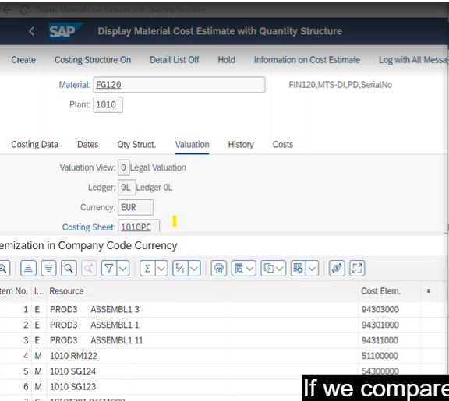

Review material master valuation to define price variance changes.
Audit informaiton on cost estimate .

